JMP analysis CEP100
Was there a difference in the fillet quality of the CEP100 epoxy joints prepared by the ARL Technicians and GEMS students? |  |  |  |  |  |  | analysis performed using:
 |  |  |  |  |  |  | JMP 11.2.0 (64 bit)
JMP Distributions |  |  |  |  |  |  | SAS Institute Inc.
 |  |  |  |  |  |  | www.jmp.com
Sample preparer = ARL Technician
Fillet quality
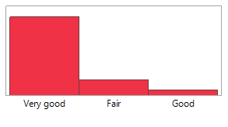

 |  | Level | Count | Prob
 |  | Very good | 48 | 0.80
 |  | Fair | 9 | 0.15
 |  | Good | 3 | 0.05
 |  | Total | 60 | 1.00

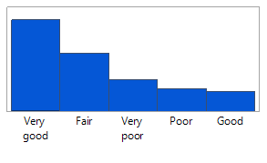
Sample preparer = GEMS student
Fillet quality
 |  | Level | Count | Prob
 |  | Very good | 102 | 0.41
 |  | Fair | 64 | 0.26
 |  | Very poor | 35 | 0.14
 |  | Poor | 24 | 0.10
 |  | Good | 21 | 0.09
 |  | Total | 246 | 1.00

Was there a difference in the adhesive fill quaility of the CEP100 epoxy joints prepared by the ARL Technicians and GEMS students?

JMP Distributions

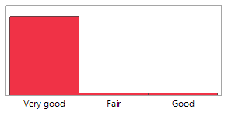
Sample preparer = ARL Technician
Adhesive fill quality
 |  | Level | Count | Prob
 |  | Very good | 116 | 0.97
 |  | Fair | 2 | 0.02
 |  | Good | 2 | 0.02
 |  | Total | 120 | 1.00

Sample preparer = GEMS student
Adhesive fill quality
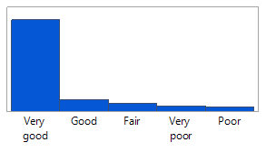
 |  | Level | Count | Prob
 |  | Very good | 368 | 0.77
 |  | Good | 46 | 0.10
 |  | Fair | 31 | 0.06
 |  | Very poor | 19 | 0.04
 |  | Poor | 16 | 0.03
 |  | Total | 480 | 1.00

What are the multivariate correlations between joint thickness, adhesive layer thickness, maximum strength, and extension at maximum load? (down) |  |  |  |  |  |  |  |  |  |  |  | How well does maximum strength correlate to the visual observations of adhesive fill quality? (left to right, combined surface treatments, with and without fillets)
JMP - Multivariate Analysis, exclude MSAT ID 20121027 and 20120619

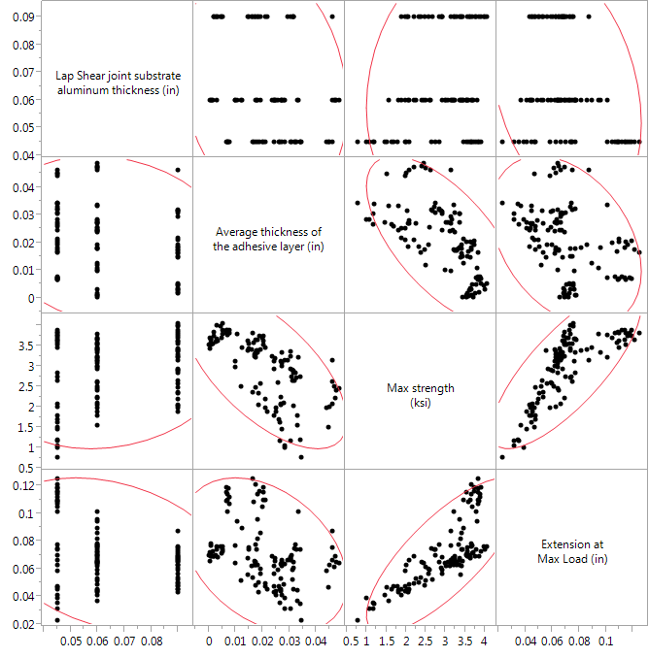
Fillet = No, Type of surface treatment = silane coupling agent, Adhesive fill quality = Very good |  |  |  |  |  |  |  |  |  |  |  | Adhesive fill quality = Very good |  |  |  |  |  |  | Adhesive fill quality = Good |  |  |  |  |  |  |  |  | Adhesive fill quality = Fair |  |  |  |  |  |  |  |  | Adhesive fill quality = Poor |  |  |  |  |  |  |  |  | Adhesive fill quality = Very poor

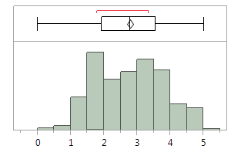
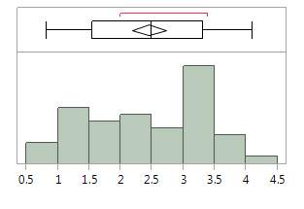
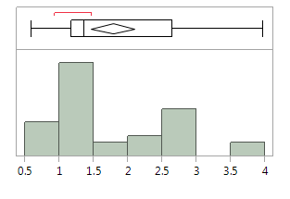
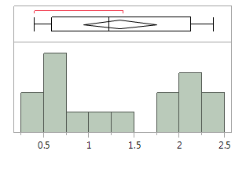
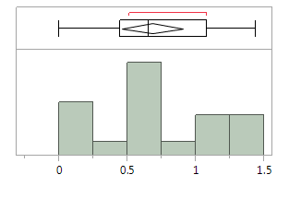
Correlations |  |  |  |  |  |  |  |  |  |  |  |  |  |  | 1.00 | maximum | 5.03 |  |  |  |  |  |  | 100.00% | maximum | 4.11 |  |  |  |  |  |  | 100.00% | maximum | 3.98 |  |  |  |  |  |  | 100.00% | maximum | 2.38 |  |  |  |  |  |  | 100.00% | maximum | 1.44
 |  |  |  |  |  |  |  |  |  |  |  |  |  |  | 1.00 |  | 4.94 |  |  |  |  |  |  | 99.50% |  | 4.11 |  |  |  |  |  |  | 99.50% |  | 3.98 |  |  |  |  |  |  | 99.50% |  | 2.38 |  |  |  |  |  |  | 99.50% |  | 1.44
 | Lap Shear joint substrate aluminum thickness (in) | Average thickness of the adhesive layer (in) | Max strength (ksi) | Extension at Max Load (in) |  |  |  |  |  |  |  |  |  |  | 97.50% |  | 4.82 |  |  |  |  |  |  | 97.50% |  | 4.06725 |  |  |  |  |  |  | 97.50% |  | 3.98 |  |  |  |  |  |  | 97.50% |  | 2.38 |  |  |  |  |  |  | 97.50% |  | 1.44
Lap Shear joint substrate aluminum thickness (in) | 1.0000 | -0.1571 | 0.1722 | -0.2973 |  |  |  |  |  |  |  |  |  |  | 90.00% |  | 4.095 |  |  |  |  |  |  | 90.00% |  | 3.567 |  |  |  |  |  |  | 90.00% |  | 2.92 |  |  |  |  |  |  | 90.00% |  | 2.296 |  |  |  |  |  |  | 90.00% |  | 1.37
Average thickness of the adhesive layer (in) | -0.1571 | 1.0000 | -0.6465 | -0.3599 |  |  |  |  |  |  |  |  |  |  | 75.00% | quartile | 3.56 |  |  |  |  |  |  | 75.00% | quartile | 3.3075 |  |  |  |  |  |  | 75.00% | quartile | 2.645 |  |  |  |  |  |  | 75.00% | quartile | 2.13 |  |  |  |  |  |  | 75.00% | quartile | 1.08
Max strength (ksi) | 0.1722 | -0.6465 | 1.0000 | 0.7772 |  |  |  |  |  |  |  |  |  |  | 50.00% | median | 2.785 |  |  |  |  |  |  | 50.00% | median | 2.49 |  |  |  |  |  |  | 50.00% | median | 1.36 |  |  |  |  |  |  | 50.00% | median | 1.225 |  |  |  |  |  |  | 50.00% | median | 0.656
Extension at Max Load (in) | -0.2973 | -0.3599 | 0.7772 | 1.0000 |  |  |  |  |  |  |  |  |  |  | 25.00% | quartile | 1.9325 |  |  |  |  |  |  | 25.00% | quartile | 1.5425 |  |  |  |  |  |  | 25.00% | quartile | 1.165 |  |  |  |  |  |  | 25.00% | quartile | 0.58825 |  |  |  |  |  |  | 25.00% | quartile | 0.446
 |  |  |  |  |  |  |  |  |  |  |  |  |  |  | 10.00% |  | 1.51 |  |  |  |  |  |  | 10.00% |  | 1.155 |  |  |  |  |  |  | 10.00% |  | 0.943 |  |  |  |  |  |  | 10.00% |  | 0.4383 |  |  |  |  |  |  | 10.00% |  | 0.00014
 |  |  |  |  |  |  |  |  |  |  |  |  |  |  | 2.50% |  | 1.09875 |  |  |  |  |  |  | 2.50% |  | 0.85275 |  |  |  |  |  |  | 2.50% |  | 0.593 |  |  |  |  |  |  | 2.50% |  | 0.39 |  |  |  |  |  |  | 2.50% |  | 7.64E-05
 |  |  |  |  |  |  |  |  |  |  |  |  |  |  | 0.50% |  | 0.5642 |  |  |  |  |  |  | 0.50% |  | 0.819 |  |  |  |  |  |  | 0.50% |  | 0.593 |  |  |  |  |  |  | 0.50% |  | 0.39 |  |  |  |  |  |  | 0.50% |  | 7.64E-05
 |  |  |  |  |  |  |  |  |  |  |  |  |  |  | 0.00% | minimum | 0.00021 |  |  |  |  |  |  | 0.00% | minimum | 0.819 |  |  |  |  |  |  | 0.00% | minimum | 0.593 |  |  |  |  |  |  | 0.00% | minimum | 0.39 |  |  |  |  |  |  | 0.00% | minimum | 7.64E-05
CI of Correlation

Variable | by Variable | Correlation | Lower 95% | Upper 95%
Average thickness of the adhesive layer (in) | Lap Shear joint substrate aluminum thickness (in) | -0.1571 | -0.3244 | 0.0197 |  |  |  |  |  |  |  |  |  | ksi | MPa |  |  |  |  |  | ksi | MPa |  |  |  |  |  |  |  | ksi | MPa |  |  |  |  |  |  |  | ksi | MPa |  |  |  |  |  |  |  | ksi | MPa
Max strength (ksi) | Lap Shear joint substrate aluminum thickness (in) | 0.1722 | -0.0042 | 0.3383 |  |  |  |  |  |  |  |  | Mean | 2.79 | 19.21 |  |  |  |  | Mean | 2.45 | 16.91 |  |  |  |  |  |  | Mean | 1.78 | 12.25 |  |  |  |  |  |  | Mean | 1.34 | 9.24 |  |  |  |  |  |  | Mean | 0.69 | 4.72
Max strength (ksi) | Average thickness of the adhesive layer (in) | -0.6465 | -0.7386 | -0.5306 |  |  |  |  |  |  |  |  | Std Dev | 1.02 | 7.00 |  |  |  |  | Std Dev | 0.93 | 6.44 |  |  |  |  |  |  | Std Dev | 0.89 | 6.11 |  |  |  |  |  |  | Std Dev | 0.76 | 5.27 |  |  |  |  |  |  | Std Dev | 0.47 | 3.21
Extension at Max Load (in) | Lap Shear joint substrate aluminum thickness (in) | -0.2973 | -0.4500 | -0.1277 |  |  |  |  |  |  |  |  | Std Err Mean | 0.05 | 0.32 |  |  |  |  | Std Err Mean | 0.13 | 0.93 |  |  |  |  |  |  | Std Err Mean | 0.15 | 1.06 |  |  |  |  |  |  | Std Err Mean | 0.19 | 1.32 |  |  |  |  |  |  | Std Err Mean | 0.11 | 0.74
Extension at Max Load (in) | Average thickness of the adhesive layer (in) | -0.3599 | -0.5042 | -0.1960 |  |  |  |  |  |  |  |  | Upper 95% Mean | 2.88 | 19.84 |  |  |  |  | Upper 95% Mean | 2.72 | 18.78 |  |  |  |  |  |  | Upper 95% Mean | 2.09 | 14.42 |  |  |  |  |  |  | Upper 95% Mean | 1.75 | 12.04 |  |  |  |  |  |  | Upper 95% Mean | 0.91 | 6.27
Extension at Max Load (in) | Max strength (ksi) | 0.7772 | 0.6963 | 0.8386 |  |  |  |  |  |  |  |  | Lower 95% Mean | 2.70 | 18.59 |  |  |  |  | Lower 95% Mean | 2.18 | 15.04 |  |  |  |  |  |  | Lower 95% Mean | 1.46 | 10.09 |  |  |  |  |  |  | Lower 95% Mean | 0.93 | 6.43 |  |  |  |  |  |  | Lower 95% Mean | 0.46 | 3.18
 |  |  |  |  |  |  |  |  |  |  |  |  | N | 484 |  |  |  |  |  | N | 48 |  |  |  |  |  |  |  | N | 33 |  |  |  |  |  |  |  | N | 16 |  |  |  |  |  |  |  | N | 19

Pairwise Correlations |  |  |  |  |  |  |  |  |  |  |  | How well does maximum strength correlate to the visual observations of fillet quality? (left to right, combined surface treatments, ashesive fill quality = Very good)

Variable | by Variable | Correlation | Count | Lower 95% | Upper 95% | Signif Prob | Plot Corr
Average thickness of the adhesive layer (in) | Lap Shear joint substrate aluminum thickness (in) | -0.1571 | 124 | -0.3244 | 0.0197 | 0.08 | --
Max strength (ksi) | Lap Shear joint substrate aluminum thickness (in) | 0.1722 | 124 | -0.0042 | 0.3383 | 0.06 | ++ |  |  |  |  | Fillet = Yes, Fillet quaility = Very good, Adhesive fill quality = Very good |  |  |  |  |  |  |  |  | Fillet = Yes, Fillet quaility = Good, Adhesive fill quality = Very good |  |  |  |  |  |  |  |  | Fillet = Yes, Fillet quaility = Fair, Adhesive fill quality = Very good |  |  |  |  |  |  |  |  | Fillet = Yes, Fillet quaility = Poor, Adhesive fill quality = Very good |  |  |  |  |  |  |  |  | Fillet = Yes, Fillet quaility = Very poor, Adhesive fill quality = Very good
Max strength (ksi) | Average thickness of the adhesive layer (in) | -0.6465 | 124 | -0.7386 | -0.5306 | <.0001 | ------
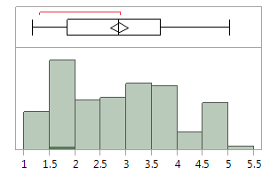
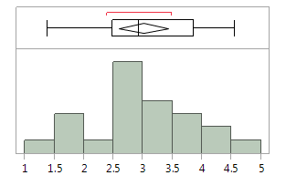
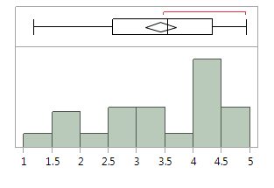
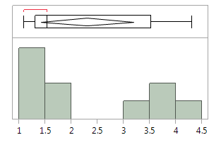
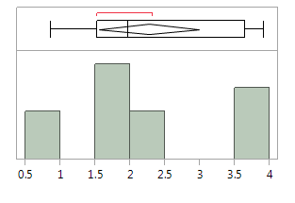
Extension at Max Load (in) | Lap Shear joint substrate aluminum thickness (in) | -0.2973 | 124 | -0.4500 | -0.1277 | 0.00 | --- |  |  |  |  |  |  |  |  |  | 100.00% | maximum | 5.03 |  |  |  |  |  |  | 1.00 | maximum | 4.56 |  |  |  |  |  |  | 100.00% | maximum | 4.94 |  |  |  |  |  |  | 100.00% | maximum | 4.32 |  |  |  |  |  |  | 100.00% | maximum | 3.92
Extension at Max Load (in) | Average thickness of the adhesive layer (in) | -0.3599 | 124 | -0.5042 | -0.1960 | <.0001 | ---- |  |  |  |  |  |  |  |  |  | 1.00 |  | 5.03 |  |  |  |  |  |  | 1.00 |  | 4.56 |  |  |  |  |  |  | 99.50% |  | 4.94 |  |  |  |  |  |  | 99.50% |  | 4.32 |  |  |  |  |  |  | 99.50% |  | 3.92
Extension at Max Load (in) | Max strength (ksi) | 0.7772 | 124 | 0.6963 | 0.8386 | <.0001 | ++++++++ |  |  |  |  |  |  |  |  |  | 0.98 |  | 4.85 |  |  |  |  |  |  | 97.50% |  | 4.56 |  |  |  |  |  |  | 97.50% |  | 4.93 |  |  |  |  |  |  | 97.50% |  | 4.32 |  |  |  |  |  |  | 97.50% |  | 3.92
 |  |  |  |  |  |  |  |  |  |  |  |  |  |  |  |  | 0.90 |  | 4.68 |  |  |  |  |  |  | 90.00% |  | 4.35 |  |  |  |  |  |  | 90.00% |  | 4.79 |  |  |  |  |  |  | 90.00% |  | 4.24 |  |  |  |  |  |  | 90.00% |  | 3.89
 |  |  |  |  |  |  |  |  |  |  |  |  |  |  |  |  | 0.75 | quartile | 3.67 |  |  |  |  |  |  | 75.00% | quartile | 3.86 |  |  |  |  |  |  | 75.00% | quartile | 4.34 |  |  |  |  |  |  | 75.00% | quartile | 3.53 |  |  |  |  |  |  | 75.00% | quartile | 3.65
 |  |  |  |  |  |  |  |  |  |  |  |  |  |  |  |  | 0.50 | median | 2.85 |  |  |  |  |  |  | 50.00% | median | 2.93 |  |  |  |  |  |  | 50.00% | median | 3.55 |  |  |  |  |  |  | 50.00% | median | 1.54 |  |  |  |  |  |  | 50.00% | median | 1.97
 |  |  |  |  |  |  |  |  |  |  |  |  |  |  |  |  | 0.25 | quartile | 1.84 |  |  |  |  |  |  | 25.00% | quartile | 2.49 |  |  |  |  |  |  | 25.00% | quartile | 2.57 |  |  |  |  |  |  | 25.00% | quartile | 1.30 |  |  |  |  |  |  | 25.00% | quartile | 1.53
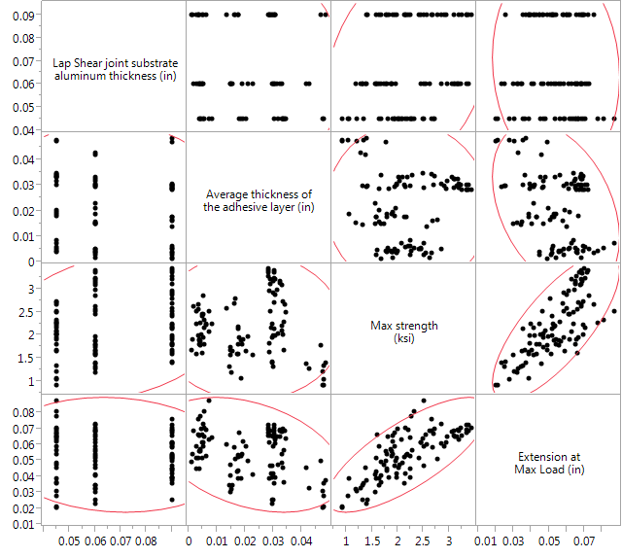
Fillet = No, Type of surface treatment = solvent wipe, Adhesive fill quality = Very good |  |  |  |  |  |  |  |  |  |  |  |  |  |  |  |  | 0.10 |  | 1.54 |  |  |  |  |  |  | 10.00% |  | 1.54 |  |  |  |  |  |  | 10.00% |  | 1.79 |  |  |  |  |  |  | 10.00% |  | 1.11 |  |  |  |  |  |  | 10.00% |  | 0.88
 |  |  |  |  |  |  |  |  |  |  |  |  |  |  |  |  | 0.03 |  | 1.25 |  |  |  |  |  |  | 2.50% |  | 1.38 |  |  |  |  |  |  | 2.50% |  | 1.31 |  |  |  |  |  |  | 2.50% |  | 1.09 |  |  |  |  |  |  | 2.50% |  | 0.86
Correlations |  |  |  |  |  |  |  |  |  |  |  |  |  |  |  |  | 0.01 |  | 1.16 |  |  |  |  |  |  | 0.50% |  | 1.38 |  |  |  |  |  |  | 0.50% |  | 1.18 |  |  |  |  |  |  | 0.50% |  | 1.09 |  |  |  |  |  |  | 0.50% |  | 0.86
 |  |  |  |  |  |  |  |  |  |  |  |  |  |  |  |  | 0.00% | minimum | 1.16 |  |  |  |  |  |  | 0.00% | minimum | 1.38 |  |  |  |  |  |  | 0.00% | minimum | 1.18 |  |  |  |  |  |  | 0.00% | minimum | 1.09 |  |  |  |  |  |  | 0.00% | minimum | 0.86
 | Lap Shear joint substrate aluminum thickness (in) | Average thickness of the adhesive layer (in) | Max strength (ksi) | Extension at Max Load (in)
Lap Shear joint substrate aluminum thickness (in) | 1 | -0.0559 | 0.2385 | -0.0922
Average thickness of the adhesive layer (in) | -0.0559 | 1 | -0.011 | -0.3638
Max strength (ksi) | 0.2385 | -0.011 | 1 | 0.7605 |  |  |  |  |  |  |  |  |  | ksi | MPa |  |  |  |  |  |  |  | ksi | MPa |  |  |  |  |  |  |  | ksi | MPa |  |  |  |  |  |  |  | ksi | MPa |  |  |  |  |  |  |  | ksi | MPa
Extension at Max Load (in) | -0.0922 | -0.3638 | 0.7605 | 1 |  |  |  |  |  |  |  |  | Mean | 2.86 | 19.73 |  |  |  |  |  |  | Mean | 3.01 | 20.74 |  |  |  |  |  |  | Mean | 3.41 | 23.53 |  |  |  |  |  |  | Mean | 2.30 | 15.84 |  |  |  |  |  |  | Mean | 2.27 | 15.64
 |  |  |  |  |  |  |  |  |  |  |  |  | Std Dev | 1.08 | 7.44 |  |  |  |  |  |  | Std Dev | 0.93 | 6.43 |  |  |  |  |  |  | Std Dev | 1.09 | 7.50 |  |  |  |  |  |  | Std Dev | 1.24 | 8.57 |  |  |  |  |  |  | Std Dev | 1.07 | 7.40
 |  |  |  |  |  |  |  |  |  |  |  |  | Std Err Mean | 0.09 | 0.61 |  |  |  |  |  |  | Std Err Mean | 0.20 | 1.37 |  |  |  |  |  |  | Std Err Mean | 0.14 | 0.94 |  |  |  |  |  |  | Std Err Mean | 0.39 | 2.71 |  |  |  |  |  |  | Std Err Mean | 0.32 | 2.23
 |  |  |  |  |  |  |  |  |  |  |  |  | Upper 95% Mean | 3.04 | 20.94 |  |  |  |  |  |  | Upper 95% Mean | 3.42 | 23.59 |  |  |  |  |  |  | Upper 95% Mean | 3.68 | 25.40 |  |  |  |  |  |  | Upper 95% Mean | 3.19 | 21.97 |  |  |  |  |  |  | Upper 95% Mean | 2.99 | 20.61
 |  |  |  |  |  |  |  |  |  |  |  |  | Lower 95% Mean | 2.69 | 18.52 |  |  |  |  |  |  | Lower 95% Mean | 2.59 | 17.89 |  |  |  |  |  |  | Lower 95% Mean | 3.14 | 21.65 |  |  |  |  |  |  | Lower 95% Mean | 1.41 | 9.72 |  |  |  |  |  |  | Lower 95% Mean | 1.55 | 10.67
CI of Correlation |  |  |  |  |  |  |  |  |  |  |  |  | N | 147 |  |  |  |  |  |  |  | N | 22 |  |  |  |  |  |  |  | N | 64 |  |  |  |  |  |  |  | N | 10 |  |  |  |  |  |  |  | N | 11

Variable | by Variable | Correlation | Lower 95% | Upper 95%
Average thickness of the adhesive layer (in) | Lap Shear joint substrate aluminum thickness (in) | -0.0559 | -0.2468 | 0.1391
Max strength (ksi) | Lap Shear joint substrate aluminum thickness (in) | 0.2385 | 0.0472 | 0.413
Max strength (ksi) | Average thickness of the adhesive layer (in) | -0.011 | -0.2041 | 0.1829
Extension at Max Load (in) | Lap Shear joint substrate aluminum thickness (in) | -0.0922 | -0.2807 | 0.1031
Extension at Max Load (in) | Average thickness of the adhesive layer (in) | -0.3638 | -0.5207 | -0.1832
Extension at Max Load (in) | Max strength (ksi) | 0.7605 | 0.6649 | 0.8316

Pairwise Correlations

Variable | by Variable | Correlation | Count | Lower 95% | Upper 95% | Signif Prob | Plot Corr
Average thickness of the adhesive layer (in) | Lap Shear joint substrate aluminum thickness (in) | -0.0559 | 103 | -0.2468 | 0.1391 | 0.5746 | -
Max strength (ksi) | Lap Shear joint substrate aluminum thickness (in) | 0.2385 | 103 | 0.0472 | 0.413 | 0.0153 | ++
Max strength (ksi) | Average thickness of the adhesive layer (in) | -0.011 | 103 | -0.2041 | 0.1829 | 0.912
Extension at Max Load (in) | Lap Shear joint substrate aluminum thickness (in) | -0.0922 | 103 | -0.2807 | 0.1031 | 0.3542 | -
Extension at Max Load (in) | Average thickness of the adhesive layer (in) | -0.3638 | 103 | -0.5207 | -0.1832 | 0.0002 | ----
Extension at Max Load (in) | Max strength (ksi) | 0.7605 | 103 | 0.6649 | 0.8316 | <.0001 | ++++++++

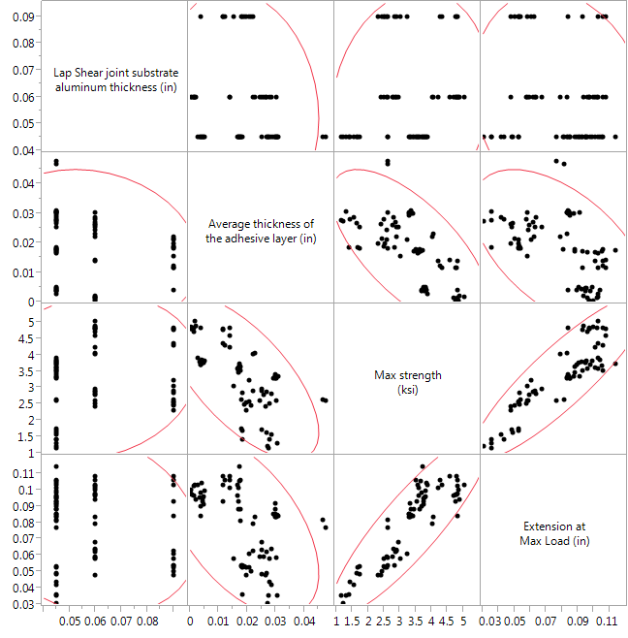
Fillet = Yes, Fillet quaility = Very good, Type of surface treatment = silane coupling agent, Adhesive fill quality = Very good

Correlations

 | Lap Shear joint substrate aluminum thickness (in) | Average thickness of the adhesive layer (in) | Max strength (ksi) | Extension at Max Load (in)
Lap Shear joint substrate aluminum thickness (in) | 1 | -0.1441 | 0.1471 | -0.1735
Average thickness of the adhesive layer (in) | -0.1441 | 1 | -0.672 | -0.5374
Max strength (ksi) | 0.1471 | -0.672 | 1 | 0.883
Extension at Max Load (in) | -0.1735 | -0.5374 | 0.883 | 1

CI of Correlation

Variable | by Variable | Correlation | Lower 95% | Upper 95%
Average thickness of the adhesive layer (in) | Lap Shear joint substrate aluminum thickness (in) | -0.1441 | -0.3553 | 0.081
Max strength (ksi) | Lap Shear joint substrate aluminum thickness (in) | 0.1471 | -0.078 | 0.3579
Max strength (ksi) | Average thickness of the adhesive layer (in) | -0.672 | -0.7782 | -0.5285
Extension at Max Load (in) | Lap Shear joint substrate aluminum thickness (in) | -0.1735 | -0.3813 | 0.051
Extension at Max Load (in) | Average thickness of the adhesive layer (in) | -0.5374 | -0.6788 | -0.3576
Extension at Max Load (in) | Max strength (ksi) | 0.883 | 0.822 | 0.924

Pairwise Correlations

Variable | by Variable | Correlation | Count | Lower 95% | Upper 95% | Signif Prob | Plot Corr
Average thickness of the adhesive layer (in) | Lap Shear joint substrate aluminum thickness (in) | -0.1441 | 78 | -0.3553 | 0.081 | 0.2081 | -
Max strength (ksi) | Lap Shear joint substrate aluminum thickness (in) | 0.1471 | 78 | -0.078 | 0.3579 | 0.1989 | +
Max strength (ksi) | Average thickness of the adhesive layer (in) | -0.672 | 78 | -0.7782 | -0.5285 | <.0001 | -------
Extension at Max Load (in) | Lap Shear joint substrate aluminum thickness (in) | -0.1735 | 78 | -0.3813 | 0.051 | 0.1286 | --
Extension at Max Load (in) | Average thickness of the adhesive layer (in) | -0.5374 | 78 | -0.6788 | -0.3576 | <.0001 | -----
Extension at Max Load (in) | Max strength (ksi) | 0.883 | 78 | 0.822 | 0.924 | <.0001 | +++++++++

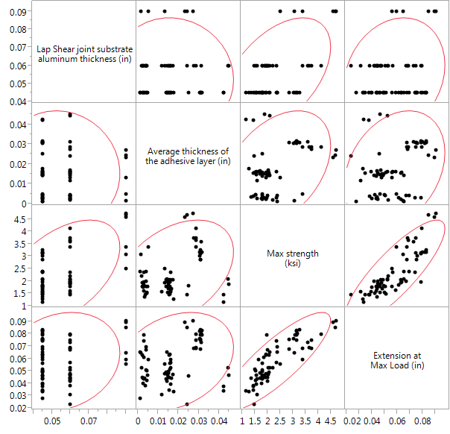
Fillet = Yes, Fillet quality = Very good, Type of surface treatment = solvent wipe, Adhesive fill quality = Very good

Correlations

 | Lap Shear joint substrate aluminum thickness (in) | Average thickness of the adhesive layer (in) | Max strength (ksi) | Extension at Max Load (in)
Lap Shear joint substrate aluminum thickness (in) | 1 | -0.0732 | 0.4932 | 0.1833
Average thickness of the adhesive layer (in) | -0.0732 | 1 | 0.4027 | 0.2877
Max strength (ksi) | 0.4932 | 0.4027 | 1 | 0.8408
Extension at Max Load (in) | 0.1833 | 0.2877 | 0.8408 | 1

CI of Correlation

Variable | by Variable | Correlation | Lower 95% | Upper 95%
Average thickness of the adhesive layer (in) | Lap Shear joint substrate aluminum thickness (in) | -0.0732 | -0.3046 | 0.1663
Max strength (ksi) | Lap Shear joint substrate aluminum thickness (in) | 0.4932 | 0.2904 | 0.6536
Max strength (ksi) | Average thickness of the adhesive layer (in) | 0.4027 | 0.1835 | 0.5838
Extension at Max Load (in) | Lap Shear joint substrate aluminum thickness (in) | 0.1833 | -0.0558 | 0.4025
Extension at Max Load (in) | Average thickness of the adhesive layer (in) | 0.2877 | 0.0547 | 0.4909
Extension at Max Load (in) | Max strength (ksi) | 0.8408 | 0.7542 | 0.8986

Pairwise Correlations

Variable | by Variable | Correlation | Count | Lower 95% | Upper 95% | Signif Prob | Plot Corr
Average thickness of the adhesive layer (in) | Lap Shear joint substrate aluminum thickness (in) | -0.0732 | 69 | -0.3046 | 0.1663 | 0.5499 | -
Max strength (ksi) | Lap Shear joint substrate aluminum thickness (in) | 0.4932 | 69 | 0.2904 | 0.6536 | <.0001 | +++++
Max strength (ksi) | Average thickness of the adhesive layer (in) | 0.4027 | 69 | 0.1835 | 0.5838 | 0.0006 | ++++
Extension at Max Load (in) | Lap Shear joint substrate aluminum thickness (in) | 0.1833 | 69 | -0.0558 | 0.4025 | 0.1317 | ++
Extension at Max Load (in) | Average thickness of the adhesive layer (in) | 0.2877 | 69 | 0.0547 | 0.4909 | 0.0165 | +++
Extension at Max Load (in) | Max strength (ksi) | 0.8408 | 69 | 0.7542 | 0.8986 | <.0001 | ++++++++

 |  |  |  |  |  |  |  |  |  | Fillet = No silane coupling agent Adhesive fill quality = Very good | Fillet = No solvent wipe Adhesive fill quality = Very good | Fillet = Yes Fillet quality = Very good silane coupling agent Adhesive fill quality = Very good | Fillet = Yes Fillet quality = Very good solvent wipe Adhesive fill quality = Very good
 |  |  |  |  |  |  |  | Pairwise Correlations

 |  |  |  |  |  |  |  | Variable | by Variable | Plot Corr | Plot Corr | Plot Corr | Plot Corr
 |  |  |  |  |  |  |  | Average thickness of the adhesive layer (in) | Date test performed | ++ | +++++ | ++++ | ++++++
 |  |  |  |  |  |  |  | Mixing to Applied Pressure Time (min) | Date test performed | ---------- | ++++++++++ | ---------- | ++++++++++
 |  |  |  |  |  |  |  | Mixing to Applied Pressure Time (min) | Average thickness of the adhesive layer (in) | -- | +++++ | ---- | ++++++
 |  |  |  |  |  |  |  | Temperature at sample preparation (°F) | Date test performed | ---------- | ++++++++++ | ---------- | ++++++++++
 |  |  |  |  |  |  |  | Temperature at sample preparation (°F) | Average thickness of the adhesive layer (in) | - | +++++ | ---- | +++++++
 |  |  |  |  |  |  |  | Temperature at sample preparation (°F) | Mixing to Applied Pressure Time (min) | ++++++++++ | ++++++++++ | ++++++++++ | ++++++++++
 |  |  |  |  |  |  |  | Humidity at sample preparation (%) | Date test performed | ---------- | ---------- | ---------- | ----------
 |  |  |  |  |  |  |  | Humidity at sample preparation (%) | Average thickness of the adhesive layer (in) | --- | ----- | ----- | ------
 |  |  |  |  |  |  |  | Humidity at sample preparation (%) | Mixing to Applied Pressure Time (min) | ++++++++++ | ---------- | ++++++++++ | ----------
 |  |  |  |  |  |  |  | Humidity at sample preparation (%) | Temperature at sample preparation (°F) | ++++++++++ | ---------- | ++++++++++ | ----------
 |  |  |  |  |  |  |  | Date of sample preparation | Date test performed | ++++++++++ | ++++++++++ | ++++++++++ | ++++++++++
 |  |  |  |  |  |  |  | Date of sample preparation | Average thickness of the adhesive layer (in) | ++ | +++++ | ++++ | ++++++
 |  |  |  |  |  |  |  | Date of sample preparation | Mixing to Applied Pressure Time (min) | ---------- | ++++++++++ | ---------- | ++++++++++
 |  |  |  |  |  |  |  | Date of sample preparation | Temperature at sample preparation (°F) | ---------- | ++++++++++ | ---------- | ++++++++++
 |  |  |  |  |  |  |  | Date of sample preparation | Humidity at sample preparation (%) | ---------- | ---------- | ---------- | ----------
 |  |  |  |  |  |  |  | Actual experimental test temperature (°F) | Date test performed | --- | --------- | ------ | ---------
 |  |  |  |  |  |  |  | Actual experimental test temperature (°F) | Average thickness of the adhesive layer (in) | --------- | ---- | ------ | -----
 |  |  |  |  |  |  |  | Actual experimental test temperature (°F) | Mixing to Applied Pressure Time (min) | +++ | --------- | ++++++ | ---------
 |  |  |  |  |  |  |  | Actual experimental test temperature (°F) | Temperature at sample preparation (°F) | ++ | --------- | ++++++ | --------
 |  |  |  |  |  |  |  | Actual experimental test temperature (°F) | Humidity at sample preparation (%) | ++++ | +++++++++ | ++++++ | +++++++++
 |  |  |  |  |  |  |  | Actual experimental test temperature (°F) | Date of sample preparation | --- | --------- | ------ | ---------
 |  |  |  |  |  |  |  | Test humidity (%) | Date test performed | ++++ | ---------- | -- | ----------
 |  |  |  |  |  |  |  | Test humidity (%) | Average thickness of the adhesive layer (in) | ++++++++ | ----- | +++ | ------
 |  |  |  |  |  |  |  | Test humidity (%) | Mixing to Applied Pressure Time (min) | ---- | ---------- | ++ | ----------
 |  |  |  |  |  |  |  | Test humidity (%) | Temperature at sample preparation (°F) | --- | ---------- | +++ | ---------
 |  |  |  |  |  |  |  | Test humidity (%) | Humidity at sample preparation (%) | ---- | ++++++++++ | ++ | ++++++++++
 |  |  |  |  |  |  |  | Test humidity (%) | Date of sample preparation | ++++ | ---------- | -- | ----------
 |  |  |  |  |  |  |  | Test humidity (%) | Actual experimental test temperature (°F) | ------- | +++++++++ | +++++ | ++++++++
 |  |  |  |  |  |  |  | Date of analysis | Date test performed | +++++++++ | +++++++++ | ++++++++++ | +++++++++
 |  |  |  |  |  |  |  | Date of analysis | Average thickness of the adhesive layer (in) | ++++++ | +++++++ | ++++++ | ++++++++
 |  |  |  |  |  |  |  | Date of analysis | Mixing to Applied Pressure Time (min) | -------- | +++++++++ | --------- | +++++++++
 |  |  |  |  |  |  |  | Date of analysis | Temperature at sample preparation (°F) | -------- | +++++++++ | --------- | +++++++++
 |  |  |  |  |  |  |  | Date of analysis | Humidity at sample preparation (%) | --------- | --------- | ---------- | ---------
 |  |  |  |  |  |  |  | Date of analysis | Date of sample preparation | ++++++++ | +++++++++ | +++++++++ | +++++++++
 |  |  |  |  |  |  |  | Date of analysis | Actual experimental test temperature (°F) | ------- | -------- | ------- | --------
 |  |  |  |  |  |  |  | Date of analysis | Test humidity (%) | +++++++ | --------- | - | ---------
 |  |  |  |  |  |  |  | Max strength (ksi) | Date test performed | -------- | +++++++ | -------- | ++++++++
 |  |  |  |  |  |  |  | Max strength (ksi) | Average thickness of the adhesive layer (in) | ------ |  | ------- | ++++
 |  |  |  |  |  |  |  | Max strength (ksi) | Mixing to Applied Pressure Time (min) | ++++++++ | +++++++ | ++++++++ | ++++++++
 |  |  |  |  |  |  |  | Max strength (ksi) | Temperature at sample preparation (°F) | +++++++ | +++++++ | ++++++++ | ++++++++
 |  |  |  |  |  |  |  | Max strength (ksi) | Humidity at sample preparation (%) | ++++++++ | ------- | ++++++++ | --------
 |  |  |  |  |  |  |  | Max strength (ksi) | Date of sample preparation | -------- | +++++++ | -------- | ++++++++
 |  |  |  |  |  |  |  | Max strength (ksi) | Actual experimental test temperature (°F) | ++++++ | ----- | +++++ | -------
 |  |  |  |  |  |  |  | Max strength (ksi) | Test humidity (%) | ------ | ------- | - | ---------
 |  |  |  |  |  |  |  | Max strength (ksi) | Date of analysis | -------- | ++++++ | -------- | ++++++++
 |  |  |  |  |  |  |  | Load cell calibration date | Date test performed | ++++++++++ | ++++++++++ | ++++++++++ | ++++++++++
 |  |  |  |  |  |  |  | Load cell calibration date | Average thickness of the adhesive layer (in) | ++ | +++++ | ++++ | ++++++
 |  |  |  |  |  |  |  | Load cell calibration date | Mixing to Applied Pressure Time (min) | ---------- | ++++++++++ | ---------- | ++++++++++
 |  |  |  |  |  |  |  | Load cell calibration date | Temperature at sample preparation (°F) | ---------- | ++++++++++ | ---------- | ++++++++++
 |  |  |  |  |  |  |  | Load cell calibration date | Humidity at sample preparation (%) | ---------- | ---------- | ---------- | ----------
 |  |  |  |  |  |  |  | Load cell calibration date | Date of sample preparation | ++++++++++ | ++++++++++ | ++++++++++ | ++++++++++
 |  |  |  |  |  |  |  | Load cell calibration date | Actual experimental test temperature (°F) | --- | --------- | ------ | ---------
 |  |  |  |  |  |  |  | Load cell calibration date | Test humidity (%) | ++++ | ---------- | -- | ----------
 |  |  |  |  |  |  |  | Load cell calibration date | Date of analysis | ++++++++ | +++++++++ | +++++++++ | +++++++++
 |  |  |  |  |  |  |  | Load cell calibration date | Max strength (ksi) | -------- | +++++++ | -------- | ++++++++

 |  |  |  |  |  | Bivariate(
 |  |  |  |  |  |  | Y( :Name( "Max strength (MPa)" ) ),
 |  |  |  |  |  |  | X( :Name( "Bondline thickness (mm)" ) ),
 |  | Sigma | ChiSquare | PValue | LogWorth |  | Automatic Recalc( 1 ),
 |  | 4.73 | 0.01 | 0.92 | 0.04 |  | Fit Robust( {Line Color( {213, 72, 87} )} ),
 |  |  |  |  |  |  | Fit Mean( {Line Color( {57, 177, 67} )} ),
 |  | Parameter | Robust Estimate | Std Error |  |  | Where(
 |  | Intercept | 15.1572 | 0.61369 |  |  |  | :Fillet == "No" & Is Missing( :Fillet quality ) & :Type of surface treatment
 |  | Bondline thickness (mm) | -0.14 | 1.33 |  |  |  | == "solvent wipe" & :Adhesive fill quality == "Very good"
 |  |  |  |  |  |  | ),
 |  | Mean | 15.0802 |  |  |  | SendToReport(
 |  | Std Dev [RMSE] | 4.4692 |  |  |  |  | Dispatch( {}, "1", ScaleBox, {Min( -0.1 )} ),
 |  | Std Error | 0.44036 |  |  |  |  | Dispatch(
 |  | SSE | 2037.289 |  |  |  |  |  | {},
 |  |  |  |  |  |  |  |  | 2,
 |  |  |  |  |  |  |  |  | ScaleBox,
 |  |  |  |  |  |  |  |  | {Min( 5 ), Max( 35 ), Inc( 5 ), Minor Ticks( 0 )}
 |  |  |  |  |  |  |  | ),
 |  |  |  |  |  |  |  | Dispatch( {}, "Fit Mean ", OutlineBox, {Close( 0 )} )
 |  |  |  |  |  |  | )
 |  |  |  |  |  | )

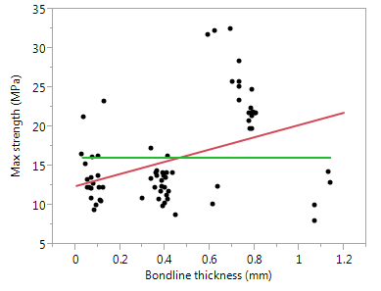
 |  |  |  |  |  | Bivariate(
 |  |  |  |  |  |  | Y( :Name( "Max strength (MPa)" ) ),
 |  |  |  |  |  |  | X( :Name( "Bondline thickness (mm)" ) ),
 |  | Sigma | ChiSquare | PValue | LogWorth |  | Fit Robust( {Line Color( {213, 72, 87} )} ),
 |  | 5.34 | 6.91 | 0.01 | 2.07 |  | Fit Mean( {Line Color( "Green" )} ),
 |  |  |  |  |  |  | Where(
 |  | Parameter | Robust Estimate | Std Error |  |  |  | :Fillet == "Yes" & :Fillet quality == "Very good" &
 |  | Intercept | 12.46 | 1.06 |  |  |  | :Type of surface treatment == "solvent wipe" & :Adhesive fill quality ==
 |  | Bondline thickness (mm) | 7.82 | 2.97 |  |  |  | Very good
 |  |  |  |  |  |  | ),
 |  | Mean | 16.07638 |  |  |  | SendToReport(
 |  | Std Dev [RMSE] | 6.04281 |  |  |  |  | Dispatch(
 |  | Std Error | 0.72747 |  |  |  |  |  | {},
 |  | SSE | 2483.05900 |  |  |  |  |  | 1,
 |  |  |  |  |  |  |  |  | ScaleBox,
 |  |  |  |  |  |  |  |  | {Min( -0.1 ), Max( 1.3 ), Inc( 0.2 ), Minor Ticks( 1 )}
 |  |  |  |  |  |  |  | ),
 |  |  |  |  |  |  |  | Dispatch( {}, "2", ScaleBox, {Min( 5 )} ),
 |  |  |  |  |  |  |  | Dispatch( {}, "Fit Mean ", OutlineBox, {Close( 0 )} )
 |  |  |  |  |  |  | )
 |  |  |  |  |  | )

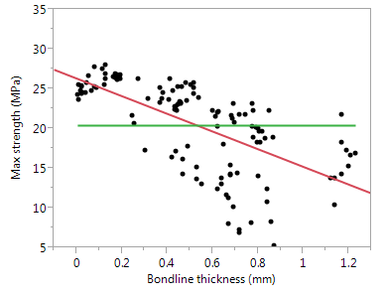
 |  |  |  |  |  | Bivariate(
 |  |  |  |  |  |  | Y( :Name( "Max strength (MPa)" ) ),
 |  | Sigma | ChiSquare | PValue | LogWorth |  | X( :Name( "Bondline thickness (mm)" ) ),
 |  | 4.22369 | 106.036 | 7.20E-25 | 24.1401 |  | Fit Robust( {Line Color( {213, 72, 87} )} ),
 |  |  |  |  |  |  | Fit Mean( {Line Color( {57, 177, 67} )} ),
 |  | Parameter | Robust Estimate | Std Error |  |  | Where(
 |  | Intercept | 26.3134 | 0.4489 |  |  |  | :Fillet == "No" & Is Missing( :Fillet quality ) & :Type of surface treatment
 |  | Bondline thickness (mm) | -11.124 | 1.08028 |  |  |  | == "silane coupling agent" & :Adhesive fill quality == "Very good"
 |  |  |  |  |  |  | ),
 |  | Mean | 20.40136 |  |  |  | SendToReport(
 |  | Std Dev [RMSE] | 5.552206 |  |  |  |  | Dispatch( {}, "2", ScaleBox, {Max( 35 )} ),
 |  | Std Error | 0.496604 |  |  |  |  | Dispatch( {}, "Fit Mean ", OutlineBox, {Close( 0 )} )
 |  | SSE | 3822.547 |  |  |  | )
 |  |  |  |  |  | )

 |  |  |  |  |  | Bivariate(
 |  |  |  |  |  |  | Y( :Name( "Max strength (MPa)" ) ),
 |  | Sigma | ChiSquare | PValue | LogWorth |  | X( :Name( "Bondline thickness (mm)" ) ),
 |  | 5.5034 | 65.7032 | 5.20E-16 | 15.2805 |  | Fit Robust( {Line Color( {213, 72, 87} )} ),
 |  |  |  |  |  |  | Fit Mean( {Line Color( {57, 177, 67} )} ),
 |  | Parameter | Robust Estimate | Std Error |  |  | Where(
 |  | Intercept | 30.6252 | 0.90378 |  |  |  | :Fillet == "Yes" & :Fillet quality == "Very good" &
 |  | Bondline thickness (mm) | -16.853 | 2.07919 |  |  |  | :Type of surface treatment == "silane coupling agent" &
 |  |  |  |  |  |  |  | :Adhesive fill quality == "Very good"
 |  | Mean | 22.95744 |  |  |  | ),
 |  | Std Dev [RMSE] | 7.086104 |  |  |  | SendToReport(
 |  | Std Error | 0.802343 |  |  |  |  | Dispatch( {}, "1", ScaleBox, {Min( -0.1 )} ),
 |  | SSE | 3866.391 |  |  |  |  | Dispatch( {}, "2", ScaleBox, {Min( 5 )} ),
 |  |  |  |  |  |  |  | Dispatch( {}, "Fit Mean ", OutlineBox, {Close( 0 )} )
 |  |  |  |  |  |  | )
 |  |  |  |  |  | )

JMP analysis SG300
Was there a difference in the fillet quality of the SG300 methacrylate joints prepared by the ARL Technicians and GEMS students? |  |  |  |  |  |  | analysis performed using:
 |  |  |  |  |  |  | JMP 11.2.0 (64 bit)
JMP Distributions |  |  |  |  |  |  | SAS Institute Inc.
 |  |  |  |  |  |  | www.jmp.com
Sample preparer = ARL Technician
Fillet quality
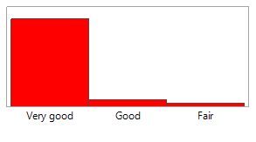

 |  | Level | Count | Prob
 |  | Very good | 59 | 0.91
 |  | Good | 4 | 0.06
 |  | Fair | 2 | 0.03
 |  | Total | 65 | 1.00

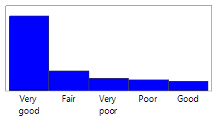
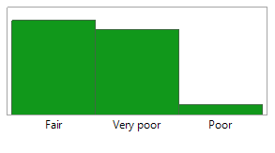
Sample preparer = GEMS student |  |  |  |  |  | Sample preparer = SEAP student
Fillet quality |  |  |  |  |  | Fillet quality
 |  | Level | Count | Prob |  |  |  |  | Level | Count | Prob
 |  | Very good | 133 | 0.60 |  |  |  |  | Fair | 10 | 0.50
 |  | Fair | 34 | 0.15 |  |  |  |  | Very poor | 9 | 0.45
 |  | Very poor | 21 | 0.09 |  |  |  |  | Poor | 1 | 0.05
 |  | Poor | 19 | 0.09 |  |  |  |  | Total | 20 | 1.00
 |  | Good | 16 | 0.07
 |  | Total | 223 | 1.00

Was there a difference in the adhesive fill quaility of the SG300 methacrylate joints prepared by the ARL Technicians and GEMS students?

JMP Distributions

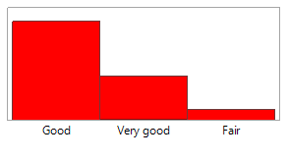
Sample preparer = ARL Technician
Adhesive fill quality
 |  | Level | Count | Prob
 |  | Good | 81 | 0.65
 |  | Very good | 36 | 0.29
 |  | Fair | 8 | 0.06
 |  | Total | 125 | 1.00

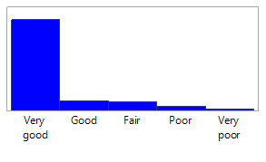
Sample preparer = GEMS student
Adhesive fill quality |  |  |  |  |  | Sample preparer = SEAP student
 |  |  |  |  |  | Adhesive fill quality
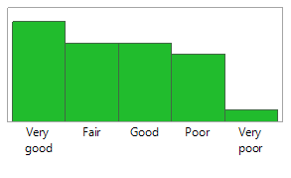
 |  | Level | Count | Prob
 |  | Very good | 362 | 0.81 |  |  |  |  | Level | Count | Prob
 |  | Good | 37 | 0.08 |  |  |  |  | Very good | 9 | 0.30
 |  | Fair | 33 | 0.07 |  |  |  |  | Fair | 7 | 0.23
 |  | Poor | 13 | 0.03 |  |  |  |  | Good | 7 | 0.23
 |  | Very poor | 2 | 0.00447 |  |  |  |  | Poor | 6 | 0.20
 |  | Total | 447 | 1 |  |  |  |  | Very poor | 1 | 0.03
 |  |  |  |  |  |  |  |  | Total | 30 | 1.00

What are the multivariate correlations between joint thickness, adhesive layer thickness, maximum strength, and extension at maximum load? (down) |  |  |  |  |  |  |  |  |  |  |  | How well does maximum strength correlate to the visual observations of adhesive fill quality? (left to right, combined surface treatments, with and without fillets)
JMP - Multivariate Analysis, exclude MSAT ID 20120372, 20120512, 20120309, 20120312, 20120313, 20120315, 20120421, 20120498, 20120499, 20120224, 20120242, 20120244

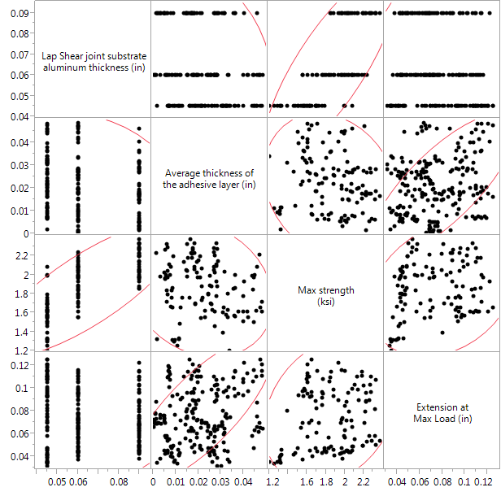
Fillet = No, Type of surface treatment = silane coupling agent, Adhesive fill quality = Very good |  |  |  |  |  |  |  |  |  |  |  | Adhesive fill quality = Very good |  |  |  |  |  |  | Adhesive fill quality = Good |  |  |  |  |  |  |  |  | Adhesive fill quality = Fair |  |  |  |  |  |  |  |  | Adhesive fill quality = Poor |  |  |  |  |  |  |  |  | Adhesive fill quality = Very poor

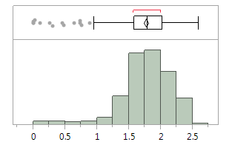
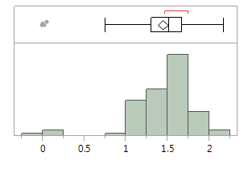
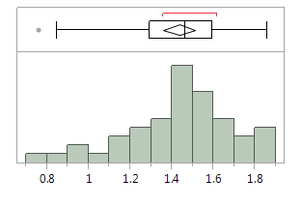
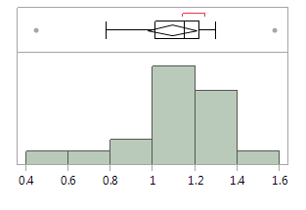
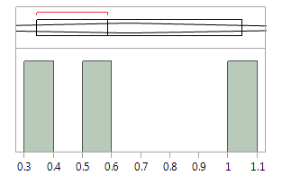
Correlations |  |  |  |  |  |  |  |  |  |  |  |  |  |  | 1.00 | maximum | 2.60 |  |  |  |  |  |  | 100.00% | maximum | 2.18 |  |  |  |  |  |  | 100.00% | maximum | 1.86 |  |  |  |  |  |  | 100.00% | maximum | 1.58 |  |  |  |  |  |  | 100.00% | maximum | 1.05
 |  |  |  |  |  |  |  |  |  |  |  |  |  |  | 1.00 |  | 2.47 |  |  |  |  |  |  | 99.50% |  | 2.18 |  |  |  |  |  |  | 99.50% |  | 1.86 |  |  |  |  |  |  | 99.50% |  | 1.58 |  |  |  |  |  |  | 99.50% |  | 1.05
 | Lap Shear joint substrate aluminum thickness (in) | Average thickness of the adhesive layer (in) | Max strength (ksi) | Extension at Max Load (in) |  |  |  |  |  |  |  |  |  |  | 0.98 |  | 2.37 |  |  |  |  |  |  | 97.50% |  | 1.9935 |  |  |  |  |  |  | 97.50% |  | 1.85325 |  |  |  |  |  |  | 97.50% |  | 1.58 |  |  |  |  |  |  | 97.50% |  | 1.05
Lap Shear joint substrate aluminum thickness (in) | 1.0000 | -0.2132 | 0.7985 | 0.0563 |  |  |  |  |  |  |  |  |  |  | 90.00% |  | 2.242 |  |  |  |  |  |  | 90.00% |  | 1.758 |  |  |  |  |  |  | 90.00% |  | 1.774 |  |  |  |  |  |  | 90.00% |  | 1.3 |  |  |  |  |  |  | 90.00% |  | 1.05
Average thickness of the adhesive layer (in) | -0.2132 | 1.0000 | -0.1856 | 0.7721 |  |  |  |  |  |  |  |  |  |  | 75.00% | quartile | 2.03 |  |  |  |  |  |  | 75.00% | quartile | 1.675 |  |  |  |  |  |  | 75.00% | quartile | 1.595 |  |  |  |  |  |  | 75.00% | quartile | 1.22 |  |  |  |  |  |  | 75.00% | quartile | 1.05
Max strength (ksi) | 0.7985 | -0.1856 | 1.0000 | 0.2516 |  |  |  |  |  |  |  |  |  |  | 50.00% | median | 1.79 |  |  |  |  |  |  | 50.00% | median | 1.52 |  |  |  |  |  |  | 50.00% | median | 1.465 |  |  |  |  |  |  | 50.00% | median | 1.15 |  |  |  |  |  |  | 50.00% | median | 0.587
Extension at Max Load (in) | 0.0563 | 0.7721 | 0.2516 | 1.0000 |  |  |  |  |  |  |  |  |  |  | 25.00% | quartile | 1.59 |  |  |  |  |  |  | 25.00% | quartile | 1.305 |  |  |  |  |  |  | 25.00% | quartile | 1.2925 |  |  |  |  |  |  | 25.00% | quartile | 1.01 |  |  |  |  |  |  | 25.00% | quartile | 0.342
 |  |  |  |  |  |  |  |  |  |  |  |  |  |  | 10.00% |  | 1.348 |  |  |  |  |  |  | 10.00% |  | 1.04 |  |  |  |  |  |  | 10.00% |  | 1.0022 |  |  |  |  |  |  | 10.00% |  | 0.78 |  |  |  |  |  |  | 10.00% |  | 0.342
 |  |  |  |  |  |  |  |  |  |  |  |  |  |  | 2.50% |  | 0.6586 |  |  |  |  |  |  | 2.50% |  | 0.02057 |  |  |  |  |  |  | 2.50% |  | 0.77703 |  |  |  |  |  |  | 2.50% |  | 0.445 |  |  |  |  |  |  | 2.50% |  | 3.42E-01
 |  |  |  |  |  |  |  |  |  |  |  |  |  |  | 0.50% |  | 0.00014 |  |  |  |  |  |  | 0.50% |  | -0.0113 |  |  |  |  |  |  | 0.50% |  | 0.757 |  |  |  |  |  |  | 0.50% |  | 0.445 |  |  |  |  |  |  | 0.50% |  | 3.42E-01
 |  |  |  |  |  |  |  |  |  |  |  |  |  |  | 0.00% | minimum | 5.12E-05 |  |  |  |  |  |  | 0.00% | minimum | -0.0113 |  |  |  |  |  |  | 0.00% | minimum | 0.757 |  |  |  |  |  |  | 0.00% | minimum | 0.445 |  |  |  |  |  |  | 0.00% | minimum | 3.42E-01
CI of Correlation

Variable | by Variable | Correlation | Lower 95% | Upper 95%
Average thickness of the adhesive layer (in) | Lap Shear joint substrate aluminum thickness (in) | -0.2132 | -0.3958 | -0.0144 |  |  |  |  |  |  |  |  |  | ksi | MPa |  |  |  |  |  | ksi | MPa |  |  |  |  |  |  |  | ksi | MPa |  |  |  |  |  |  |  | ksi | MPa |  |  |  |  |  |  |  | ksi | MPa
Max strength (ksi) | Lap Shear joint substrate aluminum thickness (in) | 0.7985 | 0.7126 | 0.8609 |  |  |  |  |  |  |  |  | Mean | 1.77 | 12.21 |  |  |  |  | Mean | 1.44 | 9.96 |  |  |  |  |  |  | Mean | 1.44 | 9.89 |  |  |  |  |  |  | Mean | 1.09 | 7.52 |  |  |  |  |  |  | Mean | 0.66 | 4.55
Max strength (ksi) | Average thickness of the adhesive layer (in) | -0.1856 | -0.3713 | 0.0143 |  |  |  |  |  |  |  |  | Std Dev | 0.40 | 2.77 |  |  |  |  | Std Dev | 0.36 | 2.51 |  |  |  |  |  |  | Std Dev | 0.26 | 1.78 |  |  |  |  |  |  | Std Dev | 0.24 | 1.68 |  |  |  |  |  |  | Std Dev | 0.36 | 2.48
Extension at Max Load (in) | Lap Shear joint substrate aluminum thickness (in) | 0.0563 | -0.1448 | 0.2529 |  |  |  |  |  |  |  |  | Std Err Mean | 0.02 | 0.14 |  |  |  |  | Std Err Mean | 0.03 | 0.22 |  |  |  |  |  |  | Std Err Mean | 0.04 | 0.26 |  |  |  |  |  |  | Std Err Mean | 0.06 | 0.38 |  |  |  |  |  |  | Std Err Mean | 0.21 | 1.43
Extension at Max Load (in) | Average thickness of the adhesive layer (in) | 0.7721 | 0.6769 | 0.8419 |  |  |  |  |  |  |  |  | Upper 95% Mean | 1.81 | 12.48 |  |  |  |  | Upper 95% Mean | 1.51 | 10.41 |  |  |  |  |  |  | Upper 95% Mean | 1.51 | 10.41 |  |  |  |  |  |  | Upper 95% Mean | 1.21 | 8.33 |  |  |  |  |  |  | Upper 95% Mean | 1.55 | 10.71
Extension at Max Load (in) | Max strength (ksi) | 0.2516 | 0.0549 | 0.4295 |  |  |  |  |  |  |  |  | Lower 95% Mean | 1.73 | 11.94 |  |  |  |  | Lower 95% Mean | 1.38 | 9.52 |  |  |  |  |  |  | Lower 95% Mean | 1.36 | 9.38 |  |  |  |  |  |  | Lower 95% Mean | 0.97 | 6.72 |  |  |  |  |  |  | Lower 95% Mean | -0.23 | -1.61
 |  |  |  |  |  |  |  |  |  |  |  |  | N | 407 |  |  |  |  |  | N | 125 |  |  |  |  |  |  |  | N | 48 |  |  |  |  |  |  |  | N | 19 |  |  |  |  |  |  |  | N | 3

Pairwise Correlations |  |  |  |  |  |  |  |  |  |  |  | How well does maximum strength correlate to the visual observations of fillet quality? (left to right, combined surface treatments, ashesive fill quality = Very good)

Variable | by Variable | Correlation | Count | Lower 95% | Upper 95% | Signif Prob | Plot Corr
Average thickness of the adhesive layer (in) | Lap Shear joint substrate aluminum thickness (in) | -0.2132 | 97 | -0.3958 | -0.0144 | 0.04 | --
Max strength (ksi) | Lap Shear joint substrate aluminum thickness (in) | 0.7985 | 97 | 0.7126 | 0.8609 | <.0001 | ++++++++ |  |  |  |  | Fillet = Yes, Fillet quaility = Very good, Adhesive fill quality = Very good |  |  |  |  |  |  |  |  | Fillet = Yes, Fillet quaility = Good, Adhesive fill quality = Very good |  |  |  |  |  |  |  |  | Fillet = Yes, Fillet quaility = Fair, Adhesive fill quality = Very good |  |  |  |  |  |  |  |  | Fillet = Yes, Fillet quaility = Poor, Adhesive fill quality = Very good |  |  |  |  |  |  |  |  | Fillet = Yes, Fillet quaility = Very poor, Adhesive fill quality = Very good
Max strength (ksi) | Average thickness of the adhesive layer (in) | -0.1856 | 97 | -0.3713 | 0.0143 | 0.07 | --
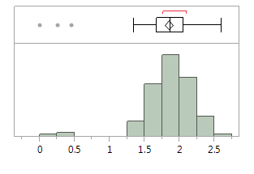
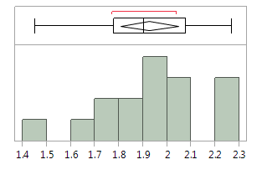
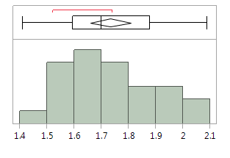
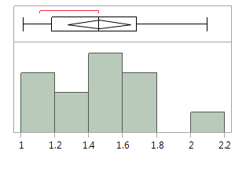
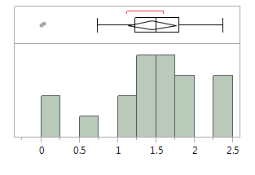
Extension at Max Load (in) | Lap Shear joint substrate aluminum thickness (in) | 0.0563 | 97 | -0.1448 | 0.2529 | 0.58 | + |  |  |  |  |  |  |  |  |  | 100.00% | maximum | 2.6 |  |  |  |  |  |  | 1.00 | maximum | 2.27 |  |  |  |  |  |  | 100.00% | maximum | 2.09 |  |  |  |  |  |  | 100.00% | maximum | 2.10 |  |  |  |  |  |  | 100.00% | maximum | 2.38
Extension at Max Load (in) | Average thickness of the adhesive layer (in) | 0.7721 | 97 | 0.6769 | 0.8419 | <.0001 | ++++++++ |  |  |  |  |  |  |  |  |  | 1.00 |  | 2.60 |  |  |  |  |  |  | 1.00 |  | 2.27 |  |  |  |  |  |  | 99.50% |  | 2.09 |  |  |  |  |  |  | 99.50% |  | 2.10 |  |  |  |  |  |  | 99.50% |  | 2.38
Extension at Max Load (in) | Max strength (ksi) | 0.2516 | 97 | 0.0549 | 0.4295 | 0.01 | +++ |  |  |  |  |  |  |  |  |  | 0.98 |  | 2.43 |  |  |  |  |  |  | 0.98 |  | 2.27 |  |  |  |  |  |  | 97.50% |  | 2.09 |  |  |  |  |  |  | 97.50% |  | 2.10 |  |  |  |  |  |  | 97.50% |  | 2.38
 |  |  |  |  |  |  |  |  |  |  |  |  |  |  |  |  | 0.90 |  | 2.24 |  |  |  |  |  |  | 90.00% |  | 2.27 |  |  |  |  |  |  | 90.00% |  | 1.992 |  |  |  |  |  |  | 90.00% |  | 1.98 |  |  |  |  |  |  | 90.00% |  | 2.31
 |  |  |  |  |  |  |  |  |  |  |  |  |  |  |  |  | 0.75 | quartile | 2.06 |  |  |  |  |  |  | 75.00% | quartile | 2.08 |  |  |  |  |  |  | 75.00% | quartile | 1.88 |  |  |  |  |  |  | 75.00% | quartile | 1.68 |  |  |  |  |  |  | 75.00% | quartile | 1.80
 |  |  |  |  |  |  |  |  |  |  |  |  |  |  |  |  | 0.50 | median | 1.87 |  |  |  |  |  |  | 50.00% | median | 1.91 |  |  |  |  |  |  | 50.00% | median | 1.7 |  |  |  |  |  |  | 50.00% | median | 1.46 |  |  |  |  |  |  | 50.00% | median | 1.50
 |  |  |  |  |  |  |  |  |  |  |  |  |  |  |  |  | 0.25 | quartile | 1.67 |  |  |  |  |  |  | 25.00% | quartile | 1.78 |  |  |  |  |  |  | 25.00% | quartile | 1.595 |  |  |  |  |  |  | 25.00% | quartile | 1.18 |  |  |  |  |  |  | 25.00% | quartile | 1.23
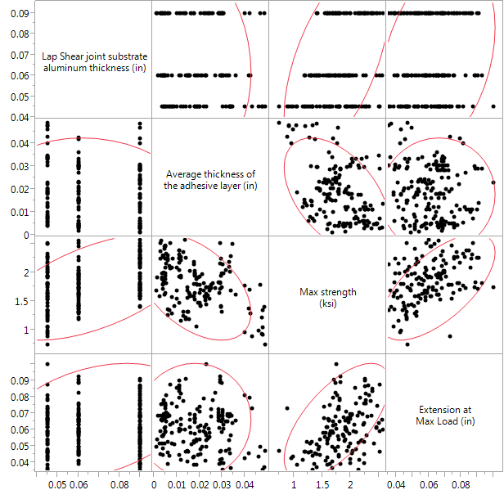
Fillet = No, Type of surface treatment = solvent wipe, Adhesive fill quality = Very good |  |  |  |  |  |  |  |  |  |  |  |  |  |  |  |  | 0.10 |  | 1.50 |  |  |  |  |  |  | 10.00% |  | 1.58 |  |  |  |  |  |  | 10.00% |  | 1.512 |  |  |  |  |  |  | 10.00% |  | 1.05 |  |  |  |  |  |  | 10.00% |  | 0.03
 |  |  |  |  |  |  |  |  |  |  |  |  |  |  |  |  | 0.03 |  | 0.99 |  |  |  |  |  |  | 2.50% |  | 1.45 |  |  |  |  |  |  | 2.50% |  | 1.41 |  |  |  |  |  |  | 2.50% |  | 1.01 |  |  |  |  |  |  | 2.50% |  | 0.00
Correlations |  |  |  |  |  |  |  |  |  |  |  |  |  |  |  |  | 0.01 |  | 0.00 |  |  |  |  |  |  | 0.50% |  | 1.45 |  |  |  |  |  |  | 0.50% |  | 1.41 |  |  |  |  |  |  | 0.50% |  | 1.01 |  |  |  |  |  |  | 0.50% |  | 0.00
 |  |  |  |  |  |  |  |  |  |  |  |  |  |  |  |  | 0.00% | minimum | 0.00013 |  |  |  |  |  |  | 0.00% | minimum | 1.45 |  |  |  |  |  |  | 0.00% | minimum | 1.41 |  |  |  |  |  |  | 0.00% | minimum | 1.01 |  |  |  |  |  |  | 0.00% | minimum | 0.00
 | Lap Shear joint substrate aluminum thickness (in) | Average thickness of the adhesive layer (in) | Max strength (ksi) | Extension at Max Load (in)
Lap Shear joint substrate aluminum thickness (in) | 1 | -0.1346 | 0.5713 | 0.3305
Average thickness of the adhesive layer (in) | -0.1346 | 1 | -0.4839 | 0.0209
Max strength (ksi) | 0.5713 | -0.4839 | 1 | 0.6547 |  |  |  |  |  |  |  |  |  | ksi | MPa |  |  |  |  |  |  |  | ksi | MPa |  |  |  |  |  |  |  | ksi | MPa |  |  |  |  |  |  |  | ksi | MPa |  |  |  |  |  |  |  | ksi | MPa
Extension at Max Load (in) | 0.3305 | 0.0209 | 0.6547 | 1 |  |  |  |  |  |  |  |  | Mean | 1.85 | 12.77 |  |  |  |  |  |  | Mean | 1.93 | 13.28 |  |  |  |  |  |  | Mean | 1.7336 | 11.95 |  |  |  |  |  |  | Mean | 1.46 | 10.05 |  |  |  |  |  |  | Mean | 1.44 | 9.95
 |  |  |  |  |  |  |  |  |  |  |  |  | Std Dev | 0.35 | 2.41 |  |  |  |  |  |  | Std Dev | 0.23 | 1.56 |  |  |  |  |  |  | Std Dev | 0.1784629 | 1.23 |  |  |  |  |  |  | Std Dev | 0.31 | 2.12 |  |  |  |  |  |  | Std Dev | 0.65 | 4.50
 |  |  |  |  |  |  |  |  |  |  |  |  | Std Err Mean | 0.03 | 0.20 |  |  |  |  |  |  | Std Err Mean | 0.06 | 0.39 |  |  |  |  |  |  | Std Err Mean | 0.0356926 | 0.25 |  |  |  |  |  |  | Std Err Mean | 0.09 | 0.59 |  |  |  |  |  |  | Std Err Mean | 0.15 | 1.03
 |  |  |  |  |  |  |  |  |  |  |  |  | Upper 95% Mean | 1.91 | 13.17 |  |  |  |  |  |  | Upper 95% Mean | 2.05 | 14.11 |  |  |  |  |  |  | Upper 95% Mean | 1.8072659 | 12.46 |  |  |  |  |  |  | Upper 95% Mean | 1.64 | 11.33 |  |  |  |  |  |  | Upper 95% Mean | 1.76 | 12.11
 |  |  |  |  |  |  |  |  |  |  |  |  | Lower 95% Mean | 1.79 | 12.37 |  |  |  |  |  |  | Lower 95% Mean | 1.81 | 12.45 |  |  |  |  |  |  | Lower 95% Mean | 1.6599341 | 11.44 |  |  |  |  |  |  | Lower 95% Mean | 1.27 | 8.76 |  |  |  |  |  |  | Lower 95% Mean | 1.13 | 7.78
CI of Correlation |  |  |  |  |  |  |  |  |  |  |  |  | N | 143 |  |  |  |  |  |  |  | N | 16 |  |  |  |  |  |  |  | N | 25 |  |  |  |  |  |  |  | N | 13 |  |  |  |  |  |  |  | N | 19

Variable | by Variable | Correlation | Lower 95% | Upper 95%
Average thickness of the adhesive layer (in) | Lap Shear joint substrate aluminum thickness (in) | -0.1346 | -0.3346 | 0.077
Max strength (ksi) | Lap Shear joint substrate aluminum thickness (in) | 0.5713 | 0.4111 | 0.6973
Max strength (ksi) | Average thickness of the adhesive layer (in) | -0.4839 | -0.6296 | -0.3054
Extension at Max Load (in) | Lap Shear joint substrate aluminum thickness (in) | 0.3305 | 0.1301 | 0.505
Extension at Max Load (in) | Average thickness of the adhesive layer (in) | 0.0209 | -0.1894 | 0.2293
Extension at Max Load (in) | Max strength (ksi) | 0.6547 | 0.516 | 0.7599

Pairwise Correlations

Variable | by Variable | Correlation | Count | Lower 95% | Upper 95% | Signif Prob | Plot Corr
Average thickness of the adhesive layer (in) | Lap Shear joint substrate aluminum thickness (in) | -0.1346 | 88 | -0.3346 | 0.077 | 0.2113 | -
Max strength (ksi) | Lap Shear joint substrate aluminum thickness (in) | 0.5713 | 88 | 0.4111 | 0.6973 | <.0001 | ++++++
Max strength (ksi) | Average thickness of the adhesive layer (in) | -0.4839 | 88 | -0.6296 | -0.3054 | <.0001 | -----
Extension at Max Load (in) | Lap Shear joint substrate aluminum thickness (in) | 0.3305 | 88 | 0.1301 | 0.505 | 0.0017 | +++
Extension at Max Load (in) | Average thickness of the adhesive layer (in) | 0.0209 | 88 | -0.1894 | 0.2293 | 0.8467
Extension at Max Load (in) | Max strength (ksi) | 0.6547 | 88 | 0.516 | 0.7599 | <.0001 | +++++++

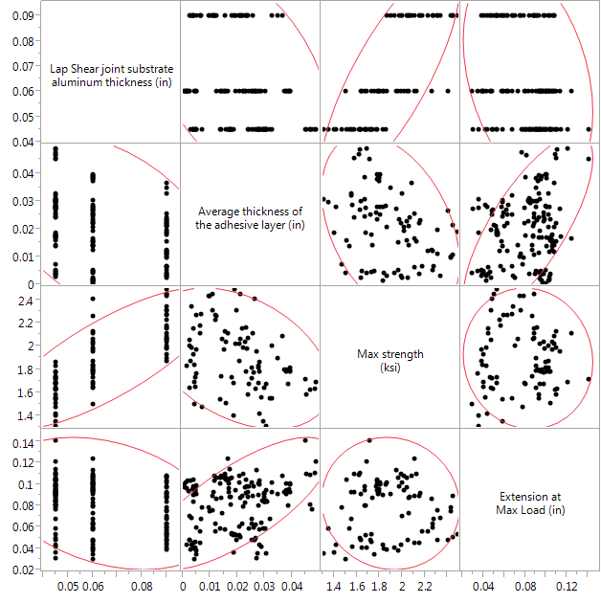
Fillet = Yes, Fillet quaility = Very good, Type of surface treatment = silane coupling agent, Adhesive fill quality = Very good

Correlations

 | Lap Shear joint substrate aluminum thickness (in) | Average thickness of the adhesive layer (in) | Max strength (ksi) | Extension at Max Load (in)
Lap Shear joint substrate aluminum thickness (in) | 1 | -0.4305 | 0.786 | -0.3243
Average thickness of the adhesive layer (in) | -0.4305 | 1 | -0.39 | 0.7469
Max strength (ksi) | 0.786 | -0.39 | 1 | -0.0543
Extension at Max Load (in) | -0.3243 | 0.7469 | -0.0543 | 1

CI of Correlation

Variable | by Variable | Correlation | Lower 95% | Upper 95%
Average thickness of the adhesive layer (in) | Lap Shear joint substrate aluminum thickness (in) | -0.4305 | -0.594 | -0.2327
Max strength (ksi) | Lap Shear joint substrate aluminum thickness (in) | 0.786 | 0.6844 | 0.8576
Max strength (ksi) | Average thickness of the adhesive layer (in) | -0.39 | -0.5616 | -0.1862
Extension at Max Load (in) | Lap Shear joint substrate aluminum thickness (in) | -0.3243 | -0.5078 | -0.1126
Extension at Max Load (in) | Average thickness of the adhesive layer (in) | 0.7469 | 0.6307 | 0.8304
Extension at Max Load (in) | Max strength (ksi) | -0.0543 | -0.2707 | 0.1675

Pairwise Correlations

Variable | by Variable | Correlation | Count | Lower 95% | Upper 95% | Signif Prob | Plot Corr
Average thickness of the adhesive layer (in) | Lap Shear joint substrate aluminum thickness (in) | -0.4305 | 80 | -0.594 | -0.2327 | <.0001 | ----
Max strength (ksi) | Lap Shear joint substrate aluminum thickness (in) | 0.786 | 80 | 0.6844 | 0.8576 | <.0001 | ++++++++
Max strength (ksi) | Average thickness of the adhesive layer (in) | -0.39 | 80 | -0.5616 | -0.1862 | 0.0003 | ----
Extension at Max Load (in) | Lap Shear joint substrate aluminum thickness (in) | -0.3243 | 80 | -0.5078 | -0.1126 | 0.0033 | ---
Extension at Max Load (in) | Average thickness of the adhesive layer (in) | 0.7469 | 80 | 0.6307 | 0.8304 | <.0001 | +++++++
Extension at Max Load (in) | Max strength (ksi) | -0.0543 | 80 | -0.2707 | 0.1675 | 0.6326 | -

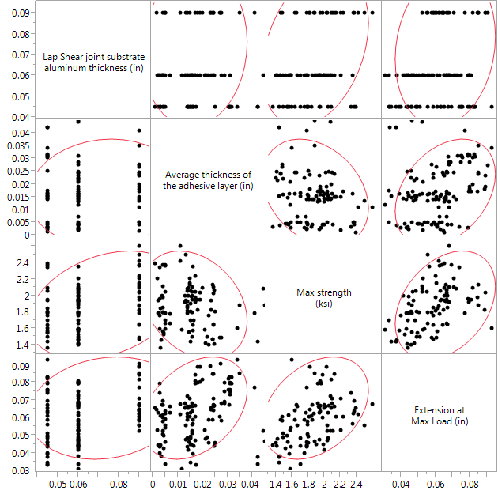
Fillet = Yes, Fillet quality = Very good, Type of surface treatment = solvent wipe, Adhesive fill quality = Very good

Correlations

 | Lap Shear joint substrate aluminum thickness (in) | Average thickness of the adhesive layer (in) | Max strength (ksi) | Extension at Max Load (in)
Lap Shear joint substrate aluminum thickness (in) | 1 | 0.0731 | 0.3165 | 0.1458
Average thickness of the adhesive layer (in) | 0.0731 | 1 | -0.2923 | 0.3477
Max strength (ksi) | 0.3165 | -0.2923 | 1 | 0.3459
Extension at Max Load (in) | 0.1458 | 0.3477 | 0.3459 | 1

CI of Correlation

Variable | by Variable | Correlation | Lower 95% | Upper 95%
Average thickness of the adhesive layer (in) | Lap Shear joint substrate aluminum thickness (in) | 0.0731 | -0.1911 | 0.3275
Max strength (ksi) | Lap Shear joint substrate aluminum thickness (in) | 0.3165 | 0.0609 | 0.5331
Max strength (ksi) | Average thickness of the adhesive layer (in) | -0.2923 | -0.5138 | -0.0344
Extension at Max Load (in) | Lap Shear joint substrate aluminum thickness (in) | 0.1458 | -0.1193 | 0.3915
Extension at Max Load (in) | Average thickness of the adhesive layer (in) | 0.3477 | 0.0959 | 0.5578
Extension at Max Load (in) | Max strength (ksi) | 0.3459 | 0.0938 | 0.5563

Pairwise Correlations

Variable | by Variable | Correlation | Count | Lower 95% | Upper 95% | Signif Prob | Plot Corr
Average thickness of the adhesive layer (in) | Lap Shear joint substrate aluminum thickness (in) | 0.0731 | 57 | -0.1911 | 0.3275 | 0.5888 | +
Max strength (ksi) | Lap Shear joint substrate aluminum thickness (in) | 0.3165 | 57 | 0.0609 | 0.5331 | 0.0165 | +++
Max strength (ksi) | Average thickness of the adhesive layer (in) | -0.2923 | 57 | -0.5138 | -0.0344 | 0.0273 | ---
Extension at Max Load (in) | Lap Shear joint substrate aluminum thickness (in) | 0.1458 | 57 | -0.1193 | 0.3915 | 0.279 | +
Extension at Max Load (in) | Average thickness of the adhesive layer (in) | 0.3477 | 57 | 0.0959 | 0.5578 | 0.008 | +++
Extension at Max Load (in) | Max strength (ksi) | 0.3459 | 57 | 0.0938 | 0.5563 | 0.0084 | +++

 |  |  |  |  |  |  |  |  |  | Fillet = No silane coupling agent Adhesive fill quality = Very good | Fillet = No solvent wipe Adhesive fill quality = Very good | Fillet = Yes Fillet quality = Very good silane coupling agent Adhesive fill quality = Very good | Fillet = Yes Fillet quality = Very good solvent wipe Adhesive fill quality = Very good
 |  |  |  |  |  |  |  | Pairwise Correlations

 |  |  |  |  |  |  |  | Variable | by Variable | Plot Corr | Plot Corr | Plot Corr | Plot Corr
 |  |  |  |  |  |  |  | Average thickness of the adhesive layer (in) | Lap Shear joint substrate aluminum thickness (in) | -- | - | ---- | +
 |  |  |  |  |  |  |  | Spacer shim thickness (in) | Lap Shear joint substrate aluminum thickness (in) | - | + | --- | +
 |  |  |  |  |  |  |  | Spacer shim thickness (in) | Average thickness of the adhesive layer (in) | +++++++++ | +++++++++ | +++++++++ | +++++++++
 |  |  |  |  |  |  |  | Mixing to Applied Pressure Time (min) | Lap Shear joint substrate aluminum thickness (in) |  | --- | . | +
 |  |  |  |  |  |  |  | Mixing to Applied Pressure Time (min) | Average thickness of the adhesive layer (in) | - | -- | . | -----
 |  |  |  |  |  |  |  | Mixing to Applied Pressure Time (min) | Spacer shim thickness (in) | - | ---- | . | -----
 |  |  |  |  |  |  |  | Temperature at sample preparation (°F) | Lap Shear joint substrate aluminum thickness (in) |  | +++ | -- | ++
 |  |  |  |  |  |  |  | Temperature at sample preparation (°F) | Average thickness of the adhesive layer (in) | ++++++ | +++++ | ++++++++ | ++++
 |  |  |  |  |  |  |  | Temperature at sample preparation (°F) | Spacer shim thickness (in) | ++++++ | +++++++ | ++++++++ | ++++
 |  |  |  |  |  |  |  | Temperature at sample preparation (°F) | Mixing to Applied Pressure Time (min) | ------- | --------- | . | ----
 |  |  |  |  |  |  |  | Humidity at sample preparation (%) | Lap Shear joint substrate aluminum thickness (in) | + | --- | +++ | ++
 |  |  |  |  |  |  |  | Humidity at sample preparation (%) | Average thickness of the adhesive layer (in) | ----- | ---- | --------- | ------
 |  |  |  |  |  |  |  | Humidity at sample preparation (%) | Spacer shim thickness (in) | ------ | ------ | ---------- | ------
 |  |  |  |  |  |  |  | Humidity at sample preparation (%) | Mixing to Applied Pressure Time (min) | +++++++++ | ++++++++++ | . | +++++++++
 |  |  |  |  |  |  |  | Humidity at sample preparation (%) | Temperature at sample preparation (°F) | --------- | ---------- | -------- | -
 |  |  |  |  |  |  |  | Actual experimental test temperature (°F) | Lap Shear joint substrate aluminum thickness (in) | ++++ | --- | +
 |  |  |  |  |  |  |  | Actual experimental test temperature (°F) | Average thickness of the adhesive layer (in) | ++++++ | - | +++++++ | -----
 |  |  |  |  |  |  |  | Actual experimental test temperature (°F) | Spacer shim thickness (in) | +++++++ | ---- | ++++++++ | -----
 |  |  |  |  |  |  |  | Actual experimental test temperature (°F) | Mixing to Applied Pressure Time (min) | + | ++++++++++ | . | ++++++++++
 |  |  |  |  |  |  |  | Actual experimental test temperature (°F) | Temperature at sample preparation (°F) | +++++ | --------- | +++++++++ | -----
 |  |  |  |  |  |  |  | Actual experimental test temperature (°F) | Humidity at sample preparation (%) | --- | +++++++++ | -------- | +++++++++
 |  |  |  |  |  |  |  | Test humidity (%) | Lap Shear joint substrate aluminum thickness (in) | --- | ---- |  | +
 |  |  |  |  |  |  |  | Test humidity (%) | Average thickness of the adhesive layer (in) | ------ | -- | -------- | -----
 |  |  |  |  |  |  |  | Test humidity (%) | Spacer shim thickness (in) | ------- | ---- | --------- | -----
 |  |  |  |  |  |  |  | Test humidity (%) | Mixing to Applied Pressure Time (min) | ++++ | ++++++++++ | . | ++++++++++
 |  |  |  |  |  |  |  | Test humidity (%) | Temperature at sample preparation (°F) | -------- | --------- | --------- | ----
 |  |  |  |  |  |  |  | Test humidity (%) | Humidity at sample preparation (%) | +++++++ | ++++++++++ | ++++++++ | +++++++++
 |  |  |  |  |  |  |  | Test humidity (%) | Actual experimental test temperature (°F) | ------- | ++++++++++ | --------- | ++++++++++
 |  |  |  |  |  |  |  | Extension shift (in) | Lap Shear joint substrate aluminum thickness (in) | + | ++ | --- | --
 |  |  |  |  |  |  |  | Extension shift (in) | Average thickness of the adhesive layer (in) | + | - |  | ++
 |  |  |  |  |  |  |  | Extension shift (in) | Spacer shim thickness (in) | + | - | - | ++
 |  |  |  |  |  |  |  | Extension shift (in) | Mixing to Applied Pressure Time (min) | ++ |  | . | --
 |  |  |  |  |  |  |  | Extension shift (in) | Temperature at sample preparation (°F) | - |  | +
 |  |  |  |  |  |  |  | Extension shift (in) | Humidity at sample preparation (%) | + |  | + | ---
 |  |  |  |  |  |  |  | Extension shift (in) | Actual experimental test temperature (°F) | + |  | - | --
 |  |  |  |  |  |  |  | Extension shift (in) | Test humidity (%) |  |  | + | --
 |  |  |  |  |  |  |  | Max load (lbf) | Lap Shear joint substrate aluminum thickness (in) | ++++++++ | ++++++ | ++++++++ | +++
 |  |  |  |  |  |  |  | Max load (lbf) | Average thickness of the adhesive layer (in) | -- | ----- | ---- | ---
 |  |  |  |  |  |  |  | Max load (lbf) | Spacer shim thickness (in) | - | --- | --- | --
 |  |  |  |  |  |  |  | Max load (lbf) | Mixing to Applied Pressure Time (min) | + | ++ | . | +++++
 |  |  |  |  |  |  |  | Max load (lbf) | Temperature at sample preparation (°F) | -- | --- | --- | ------
 |  |  |  |  |  |  |  | Max load (lbf) | Humidity at sample preparation (%) | + | +++ | +++ | +++
 |  |  |  |  |  |  |  | Max load (lbf) | Actual experimental test temperature (°F) | ++ | ++ | - | ++++++
 |  |  |  |  |  |  |  | Max load (lbf) | Test humidity (%) | - | + | +++ | ++++
 |  |  |  |  |  |  |  | Max load (lbf) | Extension shift (in) | ++ | - | -- | -
 |  |  |  |  |  |  |  | Max strength (ksi) | Lap Shear joint substrate aluminum thickness (in) | ++++++++ | ++++++ | ++++++++ | +++
 |  |  |  |  |  |  |  | Max strength (ksi) | Average thickness of the adhesive layer (in) | -- | ----- | ---- | ---
 |  |  |  |  |  |  |  | Max strength (ksi) | Spacer shim thickness (in) | - | --- | --- | --
 |  |  |  |  |  |  |  | Max strength (ksi) | Mixing to Applied Pressure Time (min) | + | ++ | . | +++++
 |  |  |  |  |  |  |  | Max strength (ksi) | Temperature at sample preparation (°F) | -- | --- | --- | ------
 |  |  |  |  |  |  |  | Max strength (ksi) | Humidity at sample preparation (%) | + | +++ | +++ | +++
 |  |  |  |  |  |  |  | Max strength (ksi) | Actual experimental test temperature (°F) | ++ | + | - | ++++++
 |  |  |  |  |  |  |  | Max strength (ksi) | Test humidity (%) | - | + | ++ | ++++
 |  |  |  |  |  |  |  | Max strength (ksi) | Extension shift (in) | ++ | - | -- | -
 |  |  |  |  |  |  |  | Max strength (ksi) | Max load (lbf) | ++++++++++ | ++++++++++ | ++++++++++ | ++++++++++
 |  |  |  |  |  |  |  | Extension at Max Load (in) | Lap Shear joint substrate aluminum thickness (in) | + | +++ | --- | +
 |  |  |  |  |  |  |  | Extension at Max Load (in) | Average thickness of the adhesive layer (in) | ++++++++ |  | +++++++ | +++
 |  |  |  |  |  |  |  | Extension at Max Load (in) | Spacer shim thickness (in) | ++++++++ | + | +++++++ | ++++
 |  |  |  |  |  |  |  | Extension at Max Load (in) | Mixing to Applied Pressure Time (min) | + | +++ | . | ++++
 |  |  |  |  |  |  |  | Extension at Max Load (in) | Temperature at sample preparation (°F) | ++ | --- | ++++ | --
 |  |  |  |  |  |  |  | Extension at Max Load (in) | Humidity at sample preparation (%) | --- | +++ | -------- | ++
 |  |  |  |  |  |  |  | Extension at Max Load (in) | Actual experimental test temperature (°F) | ++++++ | +++ | ++++ | ++++
 |  |  |  |  |  |  |  | Extension at Max Load (in) | Test humidity (%) | ---- | ++ | ---- | +++
 |  |  |  |  |  |  |  | Extension at Max Load (in) | Extension shift (in) | + | -- | -
 |  |  |  |  |  |  |  | Extension at Max Load (in) | Max load (lbf) | +++ | +++++++ | - | +++
 |  |  |  |  |  |  |  | Extension at Max Load (in) | Max strength (ksi) | +++ | +++++++ | - | +++
 |  |  |  |  |  |  |  | Area under the curve to max load - Riemann Sums (psi.in^3) | Lap Shear joint substrate aluminum thickness (in) | +++ | +++++ | - | +++
 |  |  |  |  |  |  |  | Area under the curve to max load - Riemann Sums (psi.in^3) | Average thickness of the adhesive layer (in) | ++++++ |  | ++++++++ | +++++
 |  |  |  |  |  |  |  | Area under the curve to max load - Riemann Sums (psi.in^3) | Spacer shim thickness (in) | +++++++ | + | ++++++++ | ++++++
 |  |  |  |  |  |  |  | Area under the curve to max load - Riemann Sums (psi.in^3) | Mixing to Applied Pressure Time (min) | + | + | . | +
 |  |  |  |  |  |  |  | Area under the curve to max load - Riemann Sums (psi.in^3) | Temperature at sample preparation (°F) | +++ | - | +++++ | --
 |  |  |  |  |  |  |  | Area under the curve to max load - Riemann Sums (psi.in^3) | Humidity at sample preparation (%) | --- | + | --------- | -
 |  |  |  |  |  |  |  | Area under the curve to max load - Riemann Sums (psi.in^3) | Actual experimental test temperature (°F) | ++++++ | + | ++++++ | ++
 |  |  |  |  |  |  |  | Area under the curve to max load - Riemann Sums (psi.in^3) | Test humidity (%) | ----- |  | ------ | +
 |  |  |  |  |  |  |  | Area under the curve to max load - Riemann Sums (psi.in^3) | Extension shift (in) | + | --- | -- | +
 |  |  |  |  |  |  |  | Area under the curve to max load - Riemann Sums (psi.in^3) | Max load (lbf) | +++++ | ++++++++ | ++ | ++++++
 |  |  |  |  |  |  |  | Area under the curve to max load - Riemann Sums (psi.in^3) | Max strength (ksi) | +++++ | ++++++++ | ++ | ++++++
 |  |  |  |  |  |  |  | Area under the curve to max load - Riemann Sums (psi.in^3) | Extension at Max Load (in) | +++++++++ | +++++++++ | +++++++++ | ++++++++
 |  |  |  |  |  |  |  | Extension at complete failure (in) | Lap Shear joint substrate aluminum thickness (in) | - | +++ | ---- | ++
 |  |  |  |  |  |  |  | Extension at complete failure (in) | Average thickness of the adhesive layer (in) | ++++++++ | ++ | ++++++++ | ++++++
 |  |  |  |  |  |  |  | Extension at complete failure (in) | Spacer shim thickness (in) | ++++++++ | +++ | +++++++ | ++++++
 |  |  |  |  |  |  |  | Extension at complete failure (in) | Mixing to Applied Pressure Time (min) | + | ++ | . | ++
 |  |  |  |  |  |  |  | Extension at complete failure (in) | Temperature at sample preparation (°F) | +++ | - | ++++
 |  |  |  |  |  |  |  | Extension at complete failure (in) | Humidity at sample preparation (%) | --- | + | --------
 |  |  |  |  |  |  |  | Extension at complete failure (in) | Actual experimental test temperature (°F) | +++++ | ++ | ++++ | ++
 |  |  |  |  |  |  |  | Extension at complete failure (in) | Test humidity (%) | ---- | + | ---- | +
 |  |  |  |  |  |  |  | Extension at complete failure (in) | Extension shift (in) | + | - | - | +
 |  |  |  |  |  |  |  | Extension at complete failure (in) | Max load (lbf) |  | ++++ | - | +
 |  |  |  |  |  |  |  | Extension at complete failure (in) | Max strength (ksi) |  | ++++ | - | +
 |  |  |  |  |  |  |  | Extension at complete failure (in) | Extension at Max Load (in) | +++++++++ | ++++++++ | ++++++++++ | +++++++++
 |  |  |  |  |  |  |  | Extension at complete failure (in) | Area under the curve to max load - Riemann Sums (psi.in^3) | ++++++++ | ++++++ | +++++++++ | ++++++++
 |  |  |  |  |  |  |  | Total under the curve - Riemann Sums (psi.in^3) | Lap Shear joint substrate aluminum thickness (in) | ++ | +++++ | - | +++
 |  |  |  |  |  |  |  | Total under the curve - Riemann Sums (psi.in^3) | Average thickness of the adhesive layer (in) | ++++++++ | ++ | ++++++++ | ++++++
 |  |  |  |  |  |  |  | Total under the curve - Riemann Sums (psi.in^3) | Spacer shim thickness (in) | +++++++++ | +++ | +++++++++ | +++++++
 |  |  |  |  |  |  |  | Total under the curve - Riemann Sums (psi.in^3) | Mixing to Applied Pressure Time (min) | + |  | .
 |  |  |  |  |  |  |  | Total under the curve - Riemann Sums (psi.in^3) | Temperature at sample preparation (°F) | ++++ | + | ++++++ | -
 |  |  |  |  |  |  |  | Total under the curve - Riemann Sums (psi.in^3) | Humidity at sample preparation (%) | ---- |  | --------- | --
 |  |  |  |  |  |  |  | Total under the curve - Riemann Sums (psi.in^3) | Actual experimental test temperature (°F) | +++++++ |  | +++++++ | +
 |  |  |  |  |  |  |  | Total under the curve - Riemann Sums (psi.in^3) | Test humidity (%) | ------ | - | ------ | -
 |  |  |  |  |  |  |  | Total under the curve - Riemann Sums (psi.in^3) | Extension shift (in) | + | -- | -- | +
 |  |  |  |  |  |  |  | Total under the curve - Riemann Sums (psi.in^3) | Max load (lbf) | ++++ | ++++++ | + | ++++
 |  |  |  |  |  |  |  | Total under the curve - Riemann Sums (psi.in^3) | Max strength (ksi) | ++++ | ++++++ | + | ++++
 |  |  |  |  |  |  |  | Total under the curve - Riemann Sums (psi.in^3) | Extension at Max Load (in) | +++++++++ | ++++++++ | +++++++++ | ++++++++
 |  |  |  |  |  |  |  | Total under the curve - Riemann Sums (psi.in^3) | Area under the curve to max load - Riemann Sums (psi.in^3) | +++++++++ | ++++++++++ | ++++++++++ | ++++++++++
 |  |  |  |  |  |  |  | Total under the curve - Riemann Sums (psi.in^3) | Extension at complete failure (in) | +++++++++ | ++++++ | +++++++++ | ++++++++

